Gauges
 | Gauge Name
Visual Property | Number | Delta Number | Delta Indicator | Number with Delta | Radial Gauge | Linear Gauge | Bullet Graph | Progress Bar | Cylinder | Half Donut | Thermometer
Title | X | X | X | X | X | X | X | X | X | X | X
Subtitle | X | X | X | X | X | X | X | X | X | X | X
Accent | X | X | X | X | X | X | X | X | X | X | X
Number Format | X | X | X | X | X | X | X | X | X | X | X
Drillthrough Target | X | X | X | X | X | X | X | X | X | X | X
Delta Label |  | X | X | X | X | X | X | X | X | X | X
Value Direction |  | X | X | X | X | X | X | X | X | X | X
Range Stops |  | X | X | X | X | X | X | X | X | X | X
Visualization Type |  |  |  | X
Ring Type |  |  |  |  |  |  |  |  |  | X

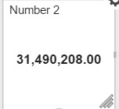
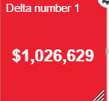
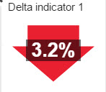
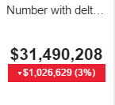
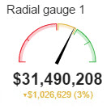
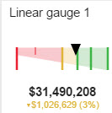
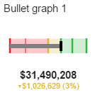
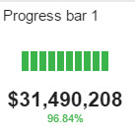
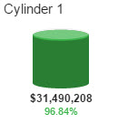
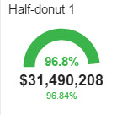

Table of Visual Properties of Gauges Explained
Some properties such as subtitle are so obvious as to not need an explanation so we did not include those.
Visual Property | Description
Accent | Changes background color
Drillthrough Target | Allows a click in gauge to redirect to another report or URL (Very Handy)
Delta Label | Confusingly does not change any text but the way the number is displayed such as Percentage of target or value.
Value Direction | Sets if higher or lower values are desirable.
Range Stops | Sets ranges for color changes by percentage
Visualization Type | Default or Full Background Similar to Accent but with different color.
Ring Type | Sets half or Full ring

Charts
 | Charts
Visual Property | Time | Category | Totals | Comparison Time | Comparison Category | Comparison Total | Waterfall | Pie | Funnel | Tree Map
Title | X | X | X | X | X | X | X | X | X | X
Subtitle | X | X | X | X | X | X | X | X | X | X
Accent | X | X | X | X | X | X | X | X | X | X
Drillthrough Target | X | X | X | X | X | X | X
Data Structure | X | X | X | X |  | X |  | X | X
Time Unit | X |  |  | X
Number Format | X | X | X | X | X | X | X | X | X | X
Adjust Y range to Values | X | X | X | X | X | X | X
Independent Axis Annotations | X | X |  | X | X |  | X
Series Visualizations | X | X |  | X | X |  |  | X
Show Legend | X | X |  | X | X |  |  | X | X
Data point sorting |  |  | X |  |  | X | X
Show % Totals |  |  | X |  |  | X
Chart Orientation |  | X |  |  | X
Reuse Colors on Composed Series |  |  |  |  | X
Type of input data |  |  |  |  |  |  | X
Value Orientation |  |  |  |  |  |  | X |  |  | X
Label for Last Character |  |  |  |  |  |  | X
Value Display Mode |  |  |  |  |  |  |  | X
Two Level Tree Map |  |  |  |  |  |  |  |  |  | X
Visualization |  |  |  |  |  |  |  |  |  | X
Show Item headers |  |  |  |  |  |  |  |  |  | X
Input Data Aggregation |  |  |  |  |  |  |  |  |  | X
Accent |  |  |  |  |  |  |  |  |  | X
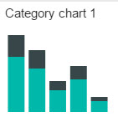
Show Pop up |  |  |  |  |  |  |  |  |  | X
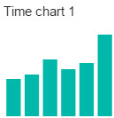
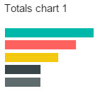
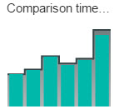
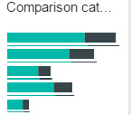
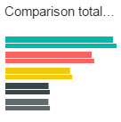
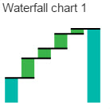
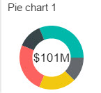
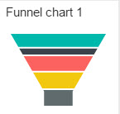
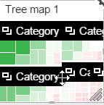

Table of Visual Properties of Charts Explained

Visual Property | Description
Accent | Changes background color
Drillthrough Target | Allows a click in gauge to redirect to another report or URL (Very Handy)
Data Structure | Allows switching to either columns or rows
Time Unit | Changes granularity. Year, quarter etc.
Series Visualizations | Changes between types such as Line or Stacked
Data point sorting | Changes sort order such as numeric ascending or descending
Type of input data | Switches between Delta and Total
Value Orientation | Allows choice of higher or lower
Value Display Mode | Where on a Pie to put the values
Two Level Tree Map | Allows Group-by
Visualization | Type of Tree map, Heat etc
Input Data Aggregation | Allows aggregation on Tree map
Accent | Change background of Tree map
Show Pop up | Allows a pop up on Tree map

